Bonus
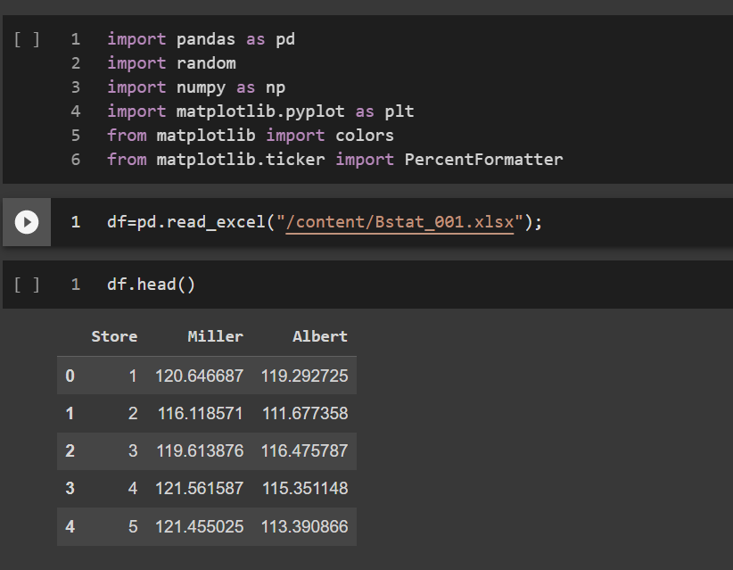

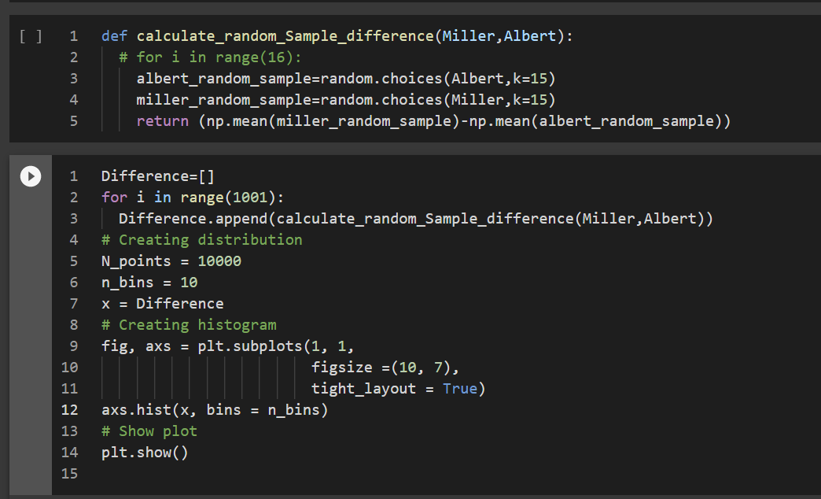

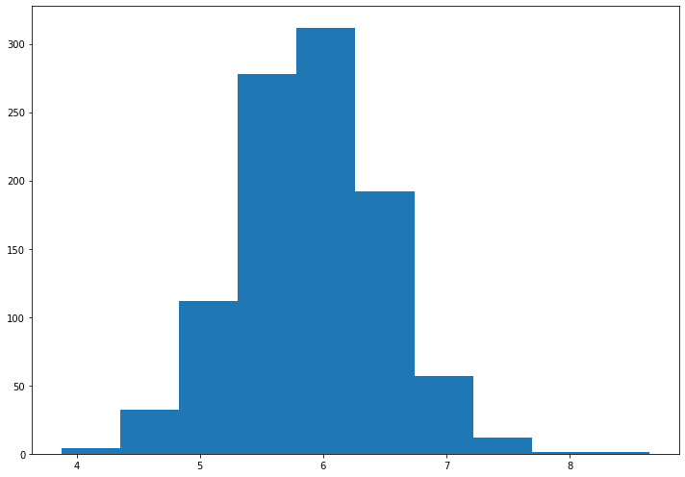

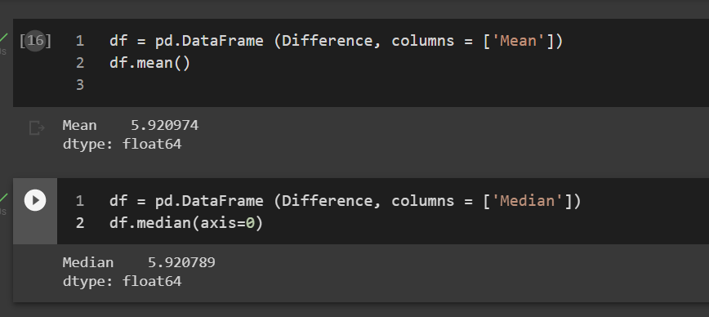

As we can see that the mean and median are same, the difference in the mean of sample is normally distributed.
As earlier calculated, mean weekly difference (120.407 - 114.425 = 5.98164) lies in the range one Standard Deviation .( 68.26% Confidence Interval).
So we can conclude that it is calculated mean difference occurs commonly.

